nike_sales REPORT
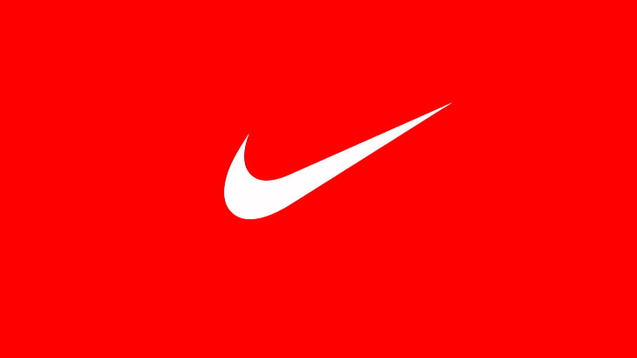
Product Wise Online Sales Percentage
 | Total
Air Force 1 | 2214
Air Jordan | 1246
Air Max | 1310
Air Zoom | 1124
Backpack | 3970
Bags | 4652
Blazer | 1081
Compression Wear | 3760
Crew Socks | 3811
Dri-FIT | 3999
Gym Sack | 3897
Hats | 4248
KD Series | 1233
LeBron Series | 1591
Mercurial | 2889
Pegasus | 1311
Performance Socks | 4009
Phantom Vision | 1504
Rain Jacket | 4216
React Infinity | 1493
Tech Fleece | 3890
Therma-FIT | 3649
Vapor Cricket | 4392
Windrunner | 4551
NIKE SALES 2024 ANALYSIS REPORT
Month Wise Revenue USD
 | Total
January | 391634590
February | 488131980
March | 375540620
April | 363198440
May | 428032960
June | 428850300
July | 435709420
August | 368048300
September | 435333230
October | 383481570
November | 413401340
December | 528213660

TOTAL UNITS SOLD
$ 2,84,98,951
TOTAL REVENUE_USD
$ 5,03,95,76,410

Main Category Wise Units Sold
 | Total
Apparel | 9912094
Equipment | 9991849
Footwear | 8595008
Month Based Online Sales Percentage
 | Total
January | 5515
February | 6748
March | 5184
April | 4583
May | 5945
June | 6355
July | 6380
August | 5274
September | 6233
October | 5946
November | 5127
December | 6750

Sub Category Wise Units sold
 | Total
Accessories | 3638389
Bags | 3354567
Basketball | 1734235
Cricket | 1897998
Football | 1704349
Lifestyle | 1779075
Outerwear | 3738117
Performance | 3009477
Running | 1479351
Socks | 2998893
Tops | 3164500
Based on Main Category and Sub Category Retail Price
 | Total
Apparel Outerwear | 23270
Apparel Performance | 18250
Apparel Tops | 17850
Equipment Accessories | 21580
Equipment Bags | 20900
Equipment Socks | 20650
Footwear Basketball | 9350
Footwear Cricket | 12170
Footwear Football | 11340
Footwear Lifestyle | 11640
Footwear Running | 9320

